SCP-F
with two shackles |  | with one shackle
O K |  | O K |  |  | Weight total: | 1023 | kg | Total weight includes: SCP-F, FR SCPF (39 kg), EXBAR SCPF (4.2 kg), Main LS Cables (30 kg)
 |  |  |  |  | 2 motors, kg | front motor |  |  |  |  |  |  |  |  |  |  |  | rear motor
k - safety factor of FR SCPF |  |  |  |  | with EXBAR SC PF at the front | 372 |  |  |  |  |  |  |  |  |  |  | 651
front bar | rear bar | using one shackle |  |  | 2 motors, kg |  |  |  | front motor |  |  |  |  |  |  |  |  |  |  | rear motor
11.23 | 14.12 | 8.99 |  |  | with EXBAR SC PF at the back |  |  |  | 819 |  |  |  |  |  |  |  |  |  | 204

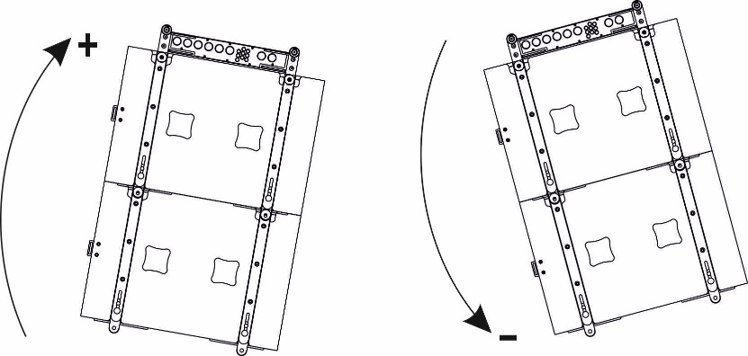
 |  |  |  |  | 2 points-one motor with EXBAR SCPF |  |  | E | 0 | 0 | 0 | 0 | 0 | 0 |  |  | 0 | 8
enter the angle of frame FR SCPF
 |  |  |  |  | 2 motors, kg |  |  |  | front motor |  |  |  |  |  |  |  |  | rear motor
0 |  |  |  |  | without EXBAR SC PF |  |  |  | 661 |  |  |  |  |  |  |  | 362

 |  |  |  |  | 2 points-one motor without EXBAR SC PF |  |  |  | 0 | 2 | 0 | 0 | 0 | 6 | 0 | 0 | 0 | 0

 |  |  |  |  | 1 point-one motor |  |  |  | FALSE | FALSE | FALSE | 4 | FALSE | FALSE |  |  | FALSE | FALSE
 |  |  |  |  |  |  |  |  |  |  | #REF!
enter the number of cabinets from 1 up to 10 | SCP-F |  | k - safety factor
10 |  |  | front | rear
1 |  |  | 18.84 | 34.70
2 |  |  | 20.93 | 38.55
3 |  |  | 23.55 | 43.37
4 |  |  | 26.92 | 49.57
5 |  |  | 31.40 | 57.83
6 |  |  | 37.68 | 69.39
7 |  |  | 47.10 | 86.74
8 |  |  | 62.80 | 115.66
9 |  |  | 94.21 | 173.48
10 |  |  | 188.41 | 346.97

